Sheet1
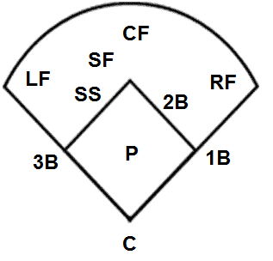
Date | Inning
Vs Opponent | 1 | 2 | 3 | 4 | 5 | 6
Player 1
Player 2
Player 3
Player 4
Player 5
Player 6
Player 7
Player 8
Player 9
Player 10
Player 11
Player 12

